E6.3
 | Pressure Vessel

 | Pressure Design | 500 | psi
 | Temperature Design | 450 | oF

 | Inside Diameter | 60 | in
 | Nominal Thickness | 1.125 | in
 | Future Corrosion Allowance | 0.05 | in
 | Uniform Metal Loss | 0.03 | in
 | Weld Joint Effiiency | 0.85

 | Material | SA− 516
 | Allowable stress | 17500 | psi

 | Pressure | 300 | psi
 | Temperature | 250 | oF

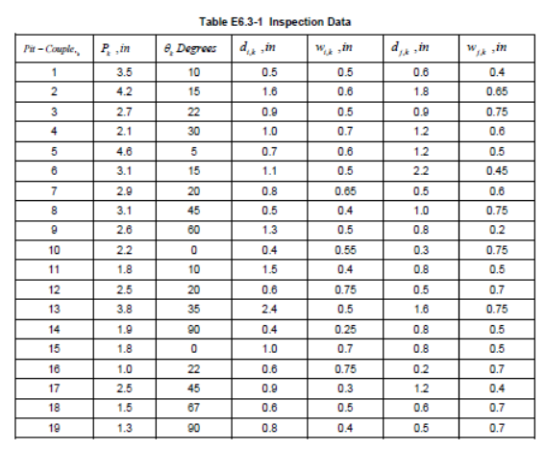

 | RSFa | 0.9

 | Answer
 | RSF | 0.808
 | MAWP | 454 | psi

